Sheet1
Test1 |  |  |  | Actual
Players (mm) |  | Puck (mm) |  | Players (mm) |  | Puck (mm)
X | Y | X | Y | X | Y | X | Y
76 | 44 | 156 | 150 | 75 | 45 | 155 | 150
74 | 148 |  |  | 75 | 150
219 | 197 |  |  | 220 | 200
73 | 250 |  |  | 75 | 250
74 | 353 |  |  | 75 | 350

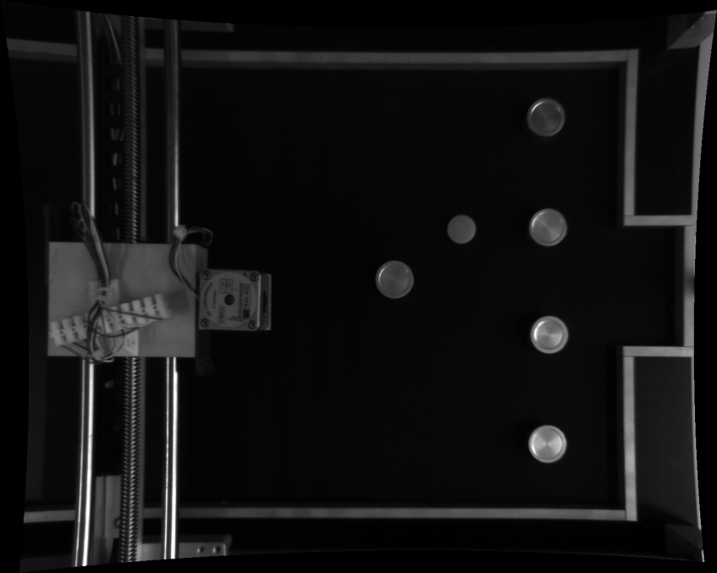
Test 2
Players (mm) |  | Puck (mm)
X | Y | X | Y
76 | 48 | 156 | 155
74 | 153
220 | 202
73 | 254
74 | 358

